Finder
Store Locator

Locate a 7-Seven store
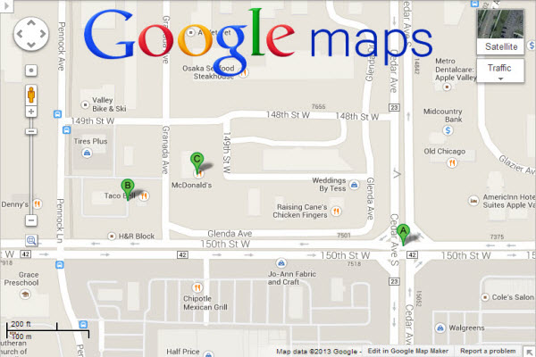
Sydney

Results:
* 234 George Street, Sydney, NSW, 2000 Phone : 02 9251 6967 * 30 Carrington Street, Sydney, NSW, 2000 Phone : 02 9279 2460 * 333 George Street, Sydney, NSW, 2000 Phone : 02 9299 5163 * 64 Clarence Street, Sydney, NSW, 2000 Phone : 02 9262 6008 * 9 Barrack Street, Sydney, NSW, 2000 Phone : 02 9299 7744

 | Demonstration of Google Map widget in SpreadsheetConverter
 |  | http://www.spreadsheetconverter.com

